Sheet1
 |  | Document No. | Issue No. | Issue Date |  |  | Review and Replace Date |  | Authorised By
 |  | GFF435MC | 1 | 20.04.2024 |  |  | New doc |  | Magda Shah
 |  | Document Title | 4 Chicken Tikka Samosa 160g

Document amendments reason for change |  | New Launch |  | Page 1 of 1 |  | Previous Issue Date |  | New doc | Uncontrolled copy unless signed original

FCSAC-R6T | Gazebo-Oakhouse |  | 4 Chicken Tikka Samosa 160g

 |  |  |  |  | 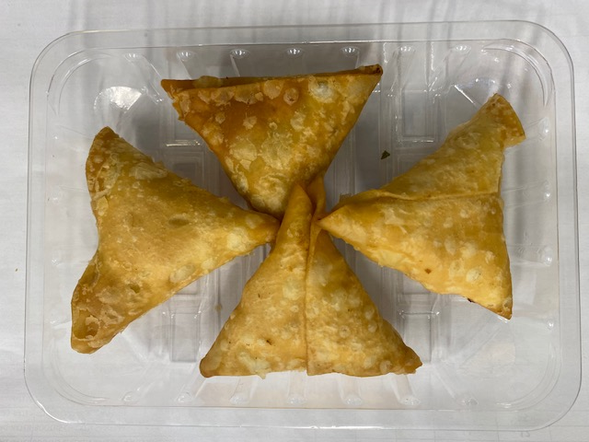

PACK DAY + 1 YEAR

Tray: SK4 Plain Clear (PKESS001-07) |  |  |  |  | Chicken Tikka Samosa (GFF004R) 40g: 4 pieces
Film: K-peel 7G+25A/f-275mm (PKKMP001-03) |  |  |  |  | Total Weight: 160g
ALLERGY ALERT: SOYA, WHEAT

